Daily Power Station Chart_14-01
Plant_31/07/2025Chart

Plant:odco1 |  |  | Installed Capacity:111.180kWp
Today Yield(kWh):538.100kWh |  | Today Earning:215240.000TND |  | Today Full Load Hours(h):4.84h

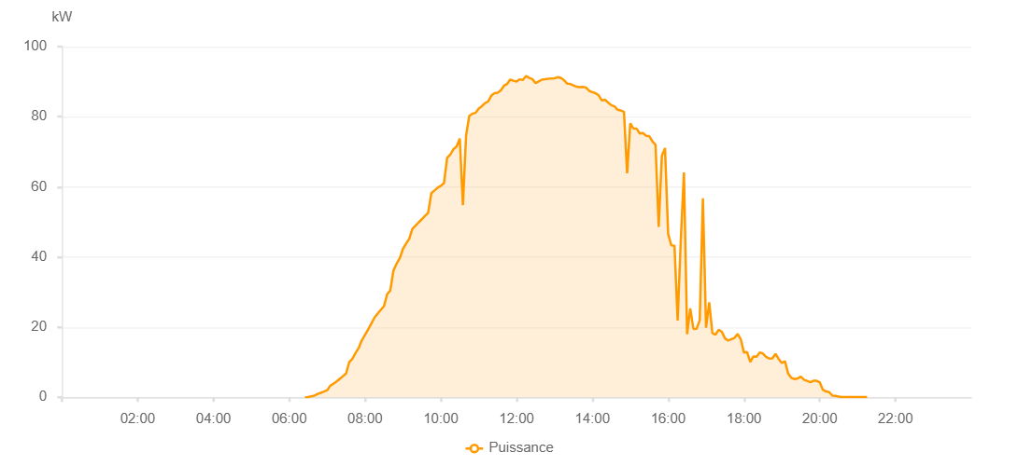

Number | Time | Working State | PV(W) | Instantaneous Radiation(W/㎡)
1 | 06:25:00 | Online | 20.00000 | 0
2 | 06:30:00 | Online | 70.00000 | 0
3 | 06:35:00 | Online | 290.00000 | 1.00000
4 | 06:40:00 | Online | 490.00000 | 3.00000
5 | 06:45:00 | Online | 960.00000 | 6.00000
6 | 06:50:00 | Online | 1260.00000 | 10.00000
7 | 06:55:00 | Online | 1620.00000 | 17.00000
8 | 07:00:00 | Online | 2010.00000 | 25.00000
9 | 07:05:00 | Online | 3290.00000 | 32.00000
10 | 07:10:00 | Online | 3850.00000 | 43.00000
11 | 07:15:00 | Online | 4540.00000 | 55.00000
12 | 07:20:00 | Online | 5260.00000 | 68.00000
13 | 07:25:00 | Online | 6020.00000 | 83.00000
14 | 07:30:00 | Online | 6780.00000 | 101.00000
15 | 07:35:00 | Online | 10040.00000 | 115.00000
16 | 07:40:00 | Online | 10960.00000 | 133.00000
17 | 07:45:00 | Online | 12650.00000 | 151.00000
18 | 07:50:00 | Online | 14070.00000 | 171.00000
19 | 07:55:00 | Online | 16270.00000 | 192.00000
20 | 08:05:00 | Online | 19350.00000 | 231.00000
21 | 08:10:00 | Online | 21010.00000 | 252.00000
22 | 08:15:00 | Online | 22720.00000 | 271.00000
23 | 08:20:00 | Online | 23840.00000 | 293.00000
24 | 08:25:00 | Online | 24930.00000 | 313.00000
25 | 08:30:00 | Online | 25970.00000 | 333.00000
26 | 08:35:00 | Online | 29370.00000 | 352.00000
27 | 08:40:00 | Online | 30460.00000 | 375.00000
28 | 08:45:00 | Online | 36130.00000 | 395.00000
29 | 08:50:00 | Online | 38090.00000 | 416.00000
30 | 08:55:00 | Online | 39610.00000 | 434.00000
31 | 09:00:00 | Online | 42260.00000 | 454.00000
32 | 09:05:00 | Online | 43820.00000 | 473.00000
33 | 09:10:00 | Online | 45190.00000 | 491.00000
34 | 09:15:00 | Online | 48010.00000 | 508.00000
35 | 09:20:00 | Online | 48930.00000 | 528.00000
36 | 09:25:00 | Online | 49900.00000 | 548.00000
37 | 09:30:00 | Online | 50760.00000 | 567.00000
38 | 09:35:00 | Online | 51730.00000 | 583.00000
39 | 09:40:00 | Online | 52610.00000 | 602.00000
40 | 09:45:00 | Online | 58220.00000 | 621.00000
41 | 09:50:00 | Online | 58970.00000 | 637.00000
42 | 09:55:00 | Online | 59770.00000 | 651.00000
43 | 10:00:00 | Online | 60310.00000 | 666.00000
44 | 10:05:00 | Online | 61070.00000 | 682.00000
45 | 10:10:00 | Online | 68250.00000 | 696.00000
46 | 10:15:00 | Online | 69170.00000 | 713.00000
47 | 10:20:00 | Online | 70750.00000 | 729.00000
48 | 10:25:00 | Online | 71490.00000 | 742.00000
49 | 10:30:00 | Online | 73780.00000 | 757.00000
50 | 10:35:00 | Online | 54780.00000 | 774.00000
51 | 10:40:00 | Online | 74590.00000 | 515.00000
52 | 10:45:00 | Online | 80200.00000 | 783.00000
53 | 10:50:00 | Online | 80890.00000 | 815.00000
54 | 10:55:00 | Online | 81090.00000 | 820.00000
55 | 11:00:00 | Online | 82350.00000 | 830.00000
56 | 11:05:00 | Online | 83010.00000 | 839.00000
57 | 11:10:00 | Online | 83910.00000 | 847.00000
58 | 11:15:00 | Online | 84330.00000 | 863.00000
59 | 11:20:00 | Online | 86030.00000 | 869.00000
60 | 11:25:00 | Online | 86710.00000 | 877.00000
61 | 11:30:00 | Online | 86830.00000 | 894.00000
62 | 11:35:00 | Online | 87510.00000 | 896.00000
63 | 11:40:00 | Online | 88850.00000 | 909.00000
64 | 11:45:00 | Online | 89350.00000 | 910.00000
65 | 11:50:00 | Online | 90610.00000 | 917.00000
66 | 11:55:00 | Online | 90270.00000 | 927.00000
67 | 12:00:00 | Online | 90010.00000 | 927.00000
68 | 12:05:00 | Online | 90670.00000 | 929.00000
69 | 12:10:00 | Online | 90480.00000 | 946.00000
70 | 12:15:00 | Online | 91620.00000 | 865.00000
71 | 12:20:00 | Online | 91050.00000 | 970.00000
72 | 12:25:00 | Online | 90730.00000 | 965.00000
73 | 12:30:00 | Online | 89590.00000 | 954.00000
74 | 12:35:00 | Online | 90080.00000 | 951.00000
75 | 12:40:00 | Online | 90570.00000 | 947.00000
76 | 12:45:00 | Online | 90680.00000 | 952.00000
77 | 12:55:00 | Online | 90930.00000 | 948.00000
78 | 13:00:00 | Online | 90960.00000 | 950.00000
79 | 13:05:00 | Online | 91280.00000 | 951.00000
80 | 13:10:00 | Online | 91080.00000 | 955.00000
81 | 13:15:00 | Online | 90440.00000 | 949.00000
82 | 13:20:00 | Online | 89450.00000 | 948.00000
83 | 13:25:00 | Online | 89340.00000 | 945.00000
84 | 13:30:00 | Online | 88940.00000 | 941.00000
85 | 13:35:00 | Online | 88560.00000 | 936.00000
86 | 13:40:00 | Online | 88410.00000 | 936.00000
87 | 13:45:00 | Online | 88500.00000 | 932.00000
88 | 13:50:00 | Online | 88340.00000 | 927.00000
89 | 13:55:00 | Online | 87370.00000 | 928.00000
90 | 14:00:00 | Online | 87000.00000 | 914.00000
91 | 14:05:00 | Online | 86730.00000 | 904.00000
92 | 14:10:00 | Online | 86090.00000 | 896.00000
93 | 14:15:00 | Online | 84640.00000 | 891.00000
94 | 14:20:00 | Online | 84840.00000 | 879.00000
95 | 14:25:00 | Online | 84030.00000 | 866.00000
96 | 14:30:00 | Online | 83290.00000 | 862.00000
97 | 14:35:00 | Online | 82960.00000 | 851.00000
98 | 14:40:00 | Online | 81970.00000 | 841.00000
99 | 14:45:00 | Online | 81770.00000 | 826.00000
100 | 14:50:00 | Online | 81440.00000 | 816.00000
101 | 14:55:00 | Online | 63900.00000 | 808.00000
102 | 15:00:00 | Online | 78100.00000 | 789.00000
103 | 15:05:00 | Online | 76660.00000 | 786.00000
104 | 15:10:00 | Online | 76580.00000 | 787.00000
105 | 15:15:00 | Online | 75230.00000 | 772.00000
106 | 15:20:00 | Online | 75350.00000 | 756.00000
107 | 15:25:00 | Online | 74570.00000 | 754.00000
108 | 15:30:00 | Online | 74480.00000 | 742.00000
109 | 15:35:00 | Online | 72960.00000 | 749.00000
110 | 15:40:00 | Online | 72020.00000 | 741.00000
111 | 15:45:00 | Online | 48590.00000 | 728.00000
112 | 15:50:00 | Online | 68850.00000 | 720.00000
113 | 15:55:00 | Online | 71070.00000 | 696.00000
114 | 16:00:00 | Online | 46540.00000 | 736.00000
115 | 16:05:00 | Online | 43300.00000 | 205.00000
116 | 16:10:00 | Online | 43210.00000 | 667.00000
117 | 16:15:00 | Online | 21880.00000 | 639.00000
118 | 16:20:00 | Online | 44730.00000 | 216.00000
119 | 16:25:00 | Online | 64130.00000 | 190.00000
120 | 16:30:00 | Online | 18010.00000 | 619.00000
121 | 16:35:00 | Online | 25360.00000 | 170.00000
122 | 16:40:00 | Online | 19490.00000 | 218.00000
123 | 16:45:00 | Online | 19540.00000 | 177.00000
124 | 16:50:00 | Online | 21970.00000 | 191.00000
125 | 16:55:00 | Online | 56760.00000 | 211.00000
126 | 17:00:00 | Online | 19830.00000 | 556.00000
127 | 17:05:00 | Online | 27090.00000 | 159.00000
128 | 17:10:00 | Online | 18310.00000 | 196.00000
129 | 17:15:00 | Online | 17870.00000 | 165.00000
130 | 17:20:00 | Online | 19250.00000 | 158.00000
131 | 17:25:00 | Online | 18650.00000 | 181.00000
132 | 17:30:00 | Online | 16780.00000 | 174.00000
133 | 17:35:00 | Online | 16190.00000 | 141.00000
134 | 17:45:00 | Online | 16930.00000 | 152.00000
135 | 17:50:00 | Online | 18040.00000 | 162.00000
136 | 17:55:00 | Online | 16540.00000 | 174.00000
137 | 18:00:00 | Online | 12780.00000 | 125.00000
138 | 18:05:00 | Online | 12860.00000 | 125.00000
139 | 18:10:00 | Online | 10040.00000 | 120.00000
140 | 18:15:00 | Online | 11650.00000 | 94.00000
141 | 18:20:00 | Online | 11580.00000 | 112.00000
142 | 18:25:00 | Online | 12790.00000 | 106.00000
143 | 18:30:00 | Online | 12480.00000 | 125.00000
144 | 18:35:00 | Online | 11540.00000 | 115.00000
145 | 18:40:00 | Online | 11040.00000 | 105.00000
146 | 18:45:00 | Online | 11120.00000 | 98.00000
147 | 18:50:00 | Online | 12360.00000 | 100.00000
148 | 18:55:00 | Online | 10910.00000 | 99.00000
149 | 19:00:00 | Online | 9780.00000 | 76.00000
150 | 19:05:00 | Online | 10260.00000 | 69.00000
151 | 19:10:00 | Online | 6760.00000 | 71.00000
152 | 19:15:00 | Online | 5530.00000 | 59.00000
153 | 19:20:00 | Online | 5180.00000 | 49.00000
154 | 19:25:00 | Online | 5370.00000 | 41.00000
155 | 19:30:00 | Online | 5870.00000 | 46.00000
156 | 19:35:00 | Online | 5020.00000 | 48.00000
157 | 19:40:00 | Online | 4670.00000 | 36.00000
158 | 19:45:00 | Online | 4290.00000 | 31.00000
159 | 19:50:00 | Online | 4710.00000 | 28.00000
160 | 19:55:00 | Online | 4710.00000 | 34.00000
161 | 20:00:00 | Online | 4260.00000 | 32.00000
162 | 20:05:00 | Online | 2140.00000 | 27.00000
163 | 20:10:00 | Online | 1640.00000 | 19.00000
164 | 20:15:00 | Online | 1470.00000 | 11.00000
165 | 20:20:00 | Online | 470.00000 | 9.00000
166 | 20:25:00 | Online | 390.00000 | 7.00000
167 | 20:30:00 | Online | 210.00000 | 3.00000
168 | 20:35:00 | Online | 40.00000 | 0
169 | 20:40:00 | Online | 40.00000 | 0
170 | 20:45:00 | Online | 40.00000 | 0
171 | 20:50:00 | Online | 40.00000 | 0
172 | 20:55:00 | Online | 40.00000 | 0
173 | 21:00:00 | Online | 40.00000 | 0
174 | 21:05:00 | Online | 40.00000 | 0
175 | 21:10:00 | Online | 40.00000 | 0
176 | 21:15:00 | Online | 40.00000 | 0
177 | 21:35:00 | Online | 0.00001 | 0.00001

